Preliminary Presentation Info
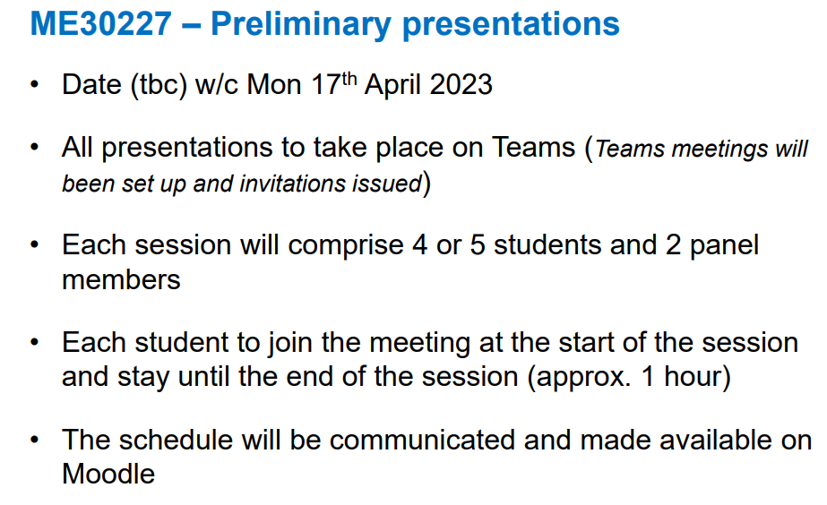
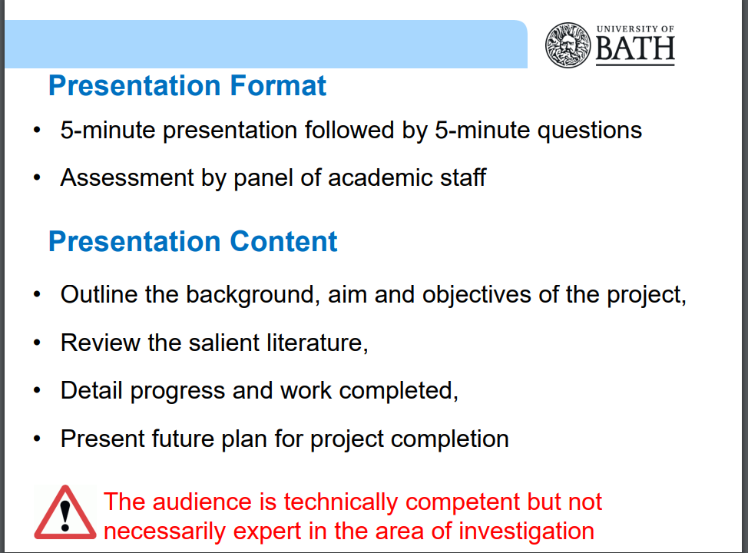

FURTHER DETAIL IN THIS SLIDE: https://moodle.bath.ac.uk/pluginfile.php/963087/mod_resource/content/9/ME30227%20FYP%20Briefing%20-%20Week4%20Semester%202%2022-23.pdf

Hydrogen Demand Forecast
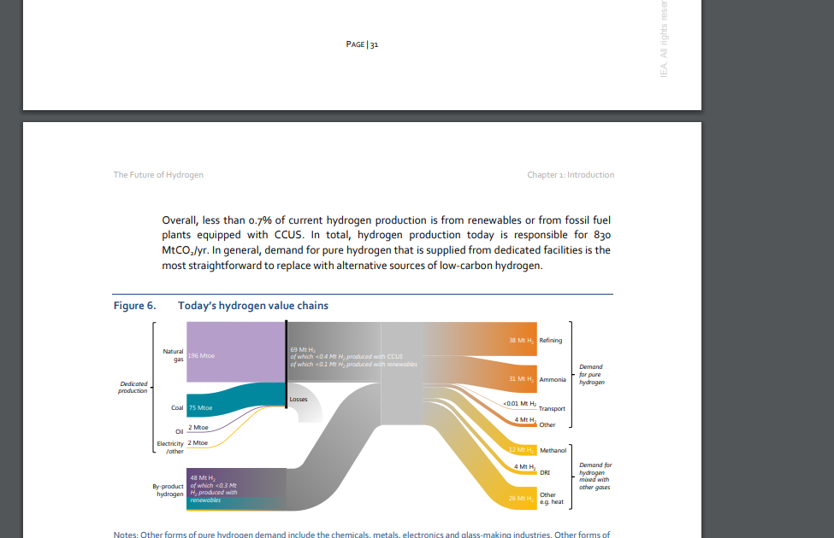
Industry | Current Hydrogen Demand (2021) (Tonnes/year) | Forecasted Demand (2025) (Tonnes/year) | Forecasted Demand (2030) (Tonnes/year)
Refining | 4300 | 4300 | 4300
Ammonia production | 2800 | 2800 | 2800
Chemicals | 1000 | 1000 | 1000
Steelmaking | 600 | 2200 | 3400
Energy storage | 0 | 1000 | 5000
Transport | 0 | 10000 | 32000

